Beta Spec Info
Beta Spectrometer |  |  |  | Rick Dower |  | Roxbury Latin School
Daedalon Corporation
2012-01-25 | Spectrometer available from The Science Source in Maine Internet: www.thesciencesource.com Phone: 1-800-299-5469
 | GM tubes, counters, sources available from Spectrum Techniques, Oak Ridge, TN Internet: www.spectrumtechniques.com
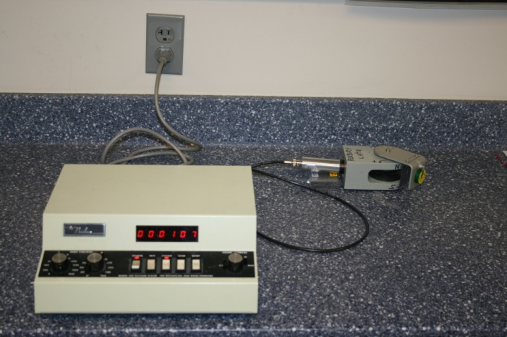
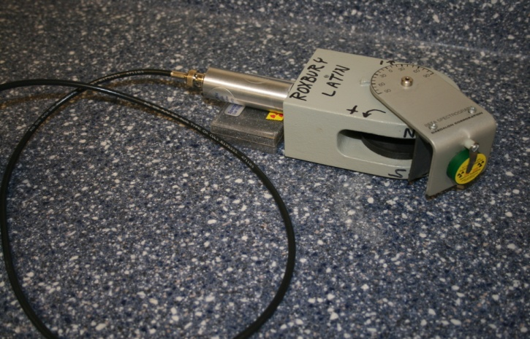

Nucleus Model 500 Scaler with 25 mm GM tube |  |  |  |  |  | Spectrograph with beta source and GM tube
 |  |  |  |  |  | B field vertically down across magnet pole gap
 |  |  |  |  |  | e+ curve toward left. e– curve toward right.
Two ceramic disk magnets supported on an iron yoke
Magnet diameter: d = |  | 6.2 | cm | Measured 12/12/2011 by RGD
Magnet separtion: s = |  | 1.2 | cm | Measured 5/30/2012 by RGD

Magnetic field (B) measured with current balance 1/19/2012 by RGD:
Fmag = mg = ILB |  | m = mass of #30 wire that balances magnetic force = 0.45 g for 100 cm wire |  |  |  |  |  |  | Current Balance Wire Shape
 |  | L = length of current balance loop wire ^ to magnetic field
 |  | I = current required to balance weight of #30 wire = 0.85 A for 100 cm #30 wire on balance
Magnetic field: B = |  | 0.0665 | tesla | for L = | 7.8 | cm | distance between centers of vertical wires
L
B = mg/IL |  | 0.0692 | tesla | for L = | 7.5 | cm | better value for L ^ to B
 |  | 0.0701 | tesla | for L = | 7.4 | cm

 | B = | 0.069 | tesla | This value is given in beta spectrograph documentation.
 |  |  |  | This seems reasonable , given the measured values above.

 |  |  |  |  |  | Geometry: q + 2f = 180° |  | Physics: | KE = E – m
 |  |  |  |  |  |  | q/2 + f = 90°
 |  |  |  |  |  |  |  |  | KE = (p2 + m2)1/2 - m
 |  |  |  |  |  |  | tan (q/2) = R/r
 |  |  |  |  |  |  | r = R/tan(q/2) |  | KE = m[((p/m)2 + 1)1/2 - 1]
θ/2
r
 |  |  |  |  |  |  | R = magnet radius |  | p(MeV/c) = 3B(tesla)r(cm)
 |  |  |  |  |  |  | r = radius of curvature of beta
Pb
source

20 mm
 |  |  |  |  |  |  |  | Opening in metal plate near source is
 |  |  |  |  |  |  |  | 5mm wide and in Pb plate is 4 mm wide.

R
φ
Opening in front of GM tube is
a circle with diameter 5.5 ±0.5 mm .
GM tube
φ
θ

9±1 mm
Top View of Disk Magnet B field into page
 |  |  |  |  |  |  |  | Vertical gap between
 |  |  |  |  |  |  |  | disk magnets is 12 mm.

Geiger Counter Plateau
Geiger-Mueller Tube Plateau Measurements
2011 September
Rick Dower
25 mm end window diameter tube
Centronic N204/BNC SN 067-3211

Tube attached to The Nucleus Model 500 Scaler
Source: 5 mCi CS-137 b, g on 3rd shelf of sample holder
Source about 3 cm below GM window

Tube Voltage |  | counts/0.5 min
(Volts) | Run 1 | Run 2 | Run 3 | Run 4 | Average
820 | 0 |  |  |  | 0
25 mm GM Tube Plateau
820 | 0
840 | 7838.5
860 | 15574
880 | 16403.666667
900 | 16869.666667
920 | 17469.666667
940 | 17636.333333
960 | 18038
980 | 18272.333333
1000 | 18493
1020 | 18682
1040 | 19095
1060 | 19379
1080 | 19762
1100 | 20025
1120 | 20105
840 | 15677 | 0 |  |  | 7839
860 | 16271 | 15227 | 15285 | 15513 | 15574
880 | 16850 | 16123 | 16238 |  | 16404
900 | 16946 | 16839 | 16824 |  | 16870
920 | 17547 | 17381 | 17481 |  | 17470
940 | 17630 | 17458 | 17821 |  | 17636
960 | 17995 | 18166 | 17953 |  | 18038
980 | 18226 | 18521 | 18070 |  | 18272
1000 | 18237 | 18735 | 18421 | 18579 | 18493
1020 | 18682 |  |  |  | 18682
1040 | 19095 |  |  |  | 19095
1060 | 19379 |  |  |  | 19379
1080 | 19762 |  |  |  | 19762
1100 | 20025 |  |  |  | 20025
1120 | 20105 |  |  |  | 20105

OPERATING VOLTAGE CHOSEN AT 920 VOLTS.

